TC2
Център за обучение по софтуерно тестване Website: http://skillo-bg.com

Bug ID | PSB002
Name | When press Login button login form is load in new tab
Priority | P3
Severity | S3
Description
Steps to reproduce | 1. Open the travel site https://phptravels.com/demo/. 2. Press Login. Expected result: The login form opens in the same tab. Actual result: Login form is load in new tab.
Attachment | 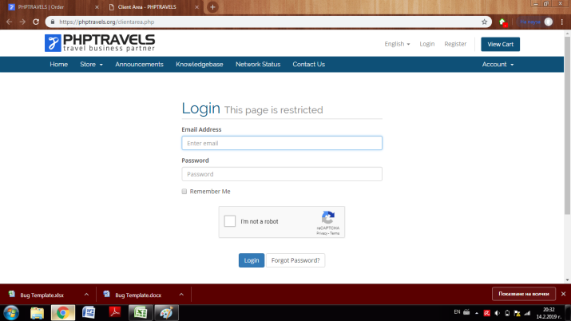 -
Status | New/To do
Component | Login
Version/Build number (Found in) | 3.4
Environment | Google Chrome 72.0.3626.109
Comments | -
Date Created | 14-Feb-19
Author | Theodora Kondova
Audit Log | Theodora Kondova created the bug on 14 Feb 2019

TC3
Център за обучение по софтуерно тестване Website: http://skillo-bg.com

Bug ID | PSB003
Name | There is already written phone number when user want to add a Sub-account
Priority | P2
Severity | S4
Description
Steps to reproduce | 1. Open the travel site https://phptravels.com/demo/. 2. Press Login. 3. Enter valid credentials (ex: username-test@abv.bg ; password-12345qwertyu) 4. Tick "I`m not a robot" button 5. Press Login button 5. Press "Update" under Your Info section 6. Press "Contacts/Sub-Accounts" Expected result: All fields are blanc. Actual result: An already written phone number appears in the field of phone number.
Attachment | 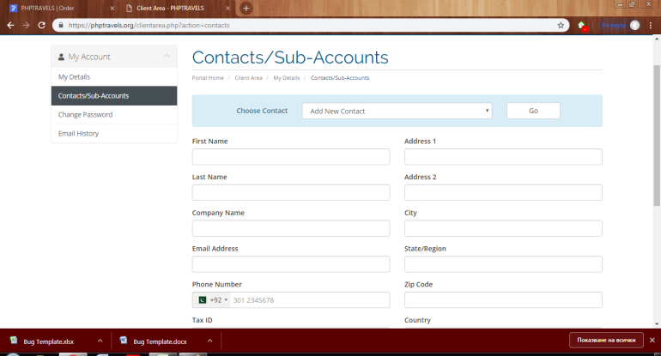 -
Status | New/To do
Component | My account
Version/Build number (Found in) | 3.4
Environment | Google Chrome 72.0.3626.109
Comments | -
Date Created | 14-Feb-19
Author | Theodora Kondova
Audit Log | Theodora Kondova created the bug on 14 Feb 2019

